GUI CGI SPEC
Xmind

Behavior
1. Use the “common_usbFile_list.cgi” to get the USB status and its file list. Please see the “JSON String” section to see the format.
2. If USB status == 0, please grayout the “Backup Configuration to USB” and “Restore Configuration From USB”.
3. If USB status == 1, please show the file name list to the user when the “Restore Configuration From USB” is selected.

4. Configuration Backup
4.1. When the user selects the “Backup Configuration To PC” and click the “Backup”, please use conf_backup.cgi
4.2. When the user selects the “Backup Configuration To USB” and click the “Backup”, please use conf_usb_backup.cgi

5. Configuration Restore
5.1. When the user selects the “Restore Configuration From PC” and click the “Restore”, please use conf_restore.cgi and post file.
5.2. When the user selects the “Restore Configuration From USB” and click the “Restore”, please use conf_usb_restore.cgi and post data. (This is not a json string. Please pay an attention on it!)

6. After restoring the configration, the related cgi returns the json string:

status | 0: Success, 1: Check, 2: Error
msg | Current available messages are as follows:
 | “no_file_selected”, “invalid_file”, “upload_success”, “restore_fail”, “usb_not_found”

Profile Table
Limitation: Max Profile Table Size = 16

1. 當使用者想要套用某個 Profile 時，會按下 Apply 按鈕，系統 Apply 完 Config 後會做 Reboot 的動作。此時會像 Reboot 頁面一樣做時間倒數，最後導到 login page。
2. GUI 的 上層區域（如下圖所示）需顯示目前所使用的 profile name。 欄位 inUsed = 1 的 Profile。

[UI Display Name] | [CGI Name] | [JSON Name] | [Description] | [Restrictions]
Configuration Backup To PC | conf_backup.cgi | N/A | GET
Configuration Restore From PC | conf_restore.cgi | N/A | POST
Configuration Backup To USB | conf_usb_backup.cgi | N/A | GET
Configuration Restore From USB | conf_usb_restore.cgi | fpath | POST
File List in USB | common_usbFile_list.cgi | N/A | GET

Profile Table
Name | config_profile_list.cgi | guiProfileT.name | String
Time | config_profile_list.cgi | guiProfileT.time | String
Description | config_profile_list.cgi | guiProfileT.desc | String

Create
Name | config_profile_list.cgi | guiProfileT.name | All viewable ASCII code except (whitespace) ‘ ` “ % ? | Length: 63
Description | config_profile_list.cgi | guiProfileT.desc | String: length 0 ~ 255 | Length: 255
Based on | config_profile_list.cgi | guiProfile.baseOn | All viewable ASCII code except (whitespace) ‘ ` “ % ? . The value is one of the guiProfileT.name. | Length: 63

N/A | config_profile_list.cgi | guiProfileT.cgiAction | int: 0:none, 1:add, 2:apply, 3:delete

JSON String
NEW !!!! ## cgi name ##
config_profile_list.cgi
## GET / POST ##
{
"guiProfileTNum": 1,
"guiProfileT": [
{
"gid": 271843328,
"name": "DEFAULT",
"desc": "",
"baseOn": "",
"userDefined": 0,
"time": "",
"fileName": "archer_default.xml",
"inUsed": 1,
"cgiAction": 0
}
]
}
## cgi name ##
conf_restore.cgi
## Respnse ##
{
"status": 0, "msg":"success"
}
## cgi name ##
common_usbFile_list.cgi
## GET ##
{
"status": 1,
"guiUsbFileT": [
{
"name": "root_uImage",
"path": "/media/sda/root_uImage"
},
{
"name": "archer_config.xml",
"path": "/media/sda/archer_config.xml"
},
{
"name": "._.Trashes",
"path": "/media/sda/._.Trashes"
}
]
}

GUI SPEC for v1.1 Requirement
Xmind
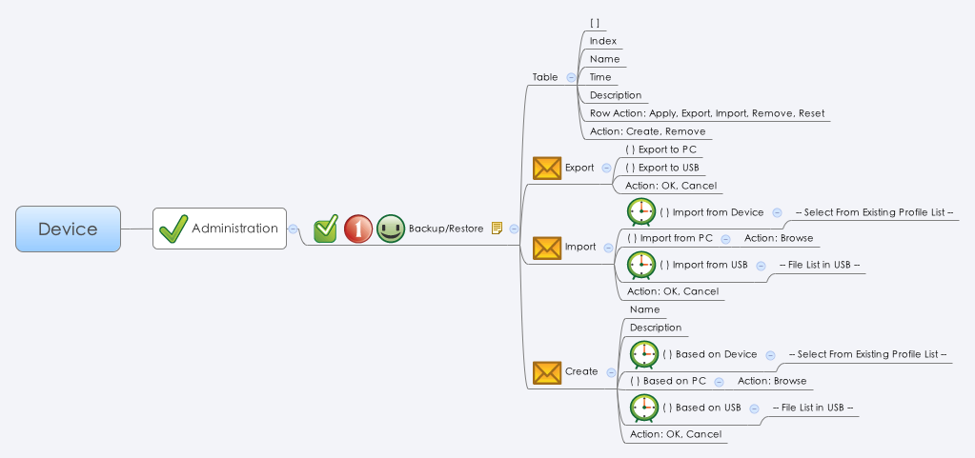

Behavior
1. Export to PC. 使用 config_export_pc.cgi 的 GET method。 Filename 的值來自 config_profile_list_v2.cgi 的 guiProfileT.fileName。 Example: https://192.168.180.103/cgi-bin/config_export_pc.cgi?config_name=NAT_Profile_V1.1
2. Export to USB. 使用 config_export_usb.cgi 的 GET method。 Filename 的值來自 config_profile_list_v2.cgi 的 guiProfileT.fileName。Example: https://192.168.180.103/cgi-bin/config_export_usb.cgi?config_name=NAT_Profile_V1.1
3. Import 與 Create 相關 CGI 使用的方式，可以參考 https://192.168.180.103/cgitester/test_profile.html
3.1 Import 與 Create 時所需的 Name，只能為 [A-Za-z.-_] 這幾個字元所組成的字串。
4. 使用 common_usbFile_list.cgi 得知 usb 有哪些 file。
5. 當使用者想要套用某個 Profile 時，會按下 Apply 按鈕，系統 Apply 完 Config 後會做 Reboot 的動作。此時會像 Reboot 頁面一樣做時間倒數，最後導到 login page。
6. GUI 的 上層區域（如下圖所示）需顯示目前所使用的 profile name。 欄位 inUsed = 1 的 Profile。

status | 0: Success, 1: Check, 2: Error
msg | Current available error messages for the "create & import CGI" are as follows:
 | “no_file_selected”, "missing_parameters", "missing_profile", "invalid_file", "restore_fail".

7. 當使用者按下 Reset 按鈕，cgiAction 的值會設成 3：
7.1 當使用者按下正在使用中的 config 的 Reset 按鈕，GUI 會跳出 Alert 視窗，告知使用者系統會 Reboot。
7.2 當使用者按下非正在使用中的 config 的 Reset 按鈕，GUI 會跳出 Alert 視窗，告知使用者操作成功。

[UI Display Name] | [CGI Name] | [JSON Name] | [Description] | [Restrictions]
Profile Table
Name | config_profile_list_v2.cgi | guiProfileT.name | String
Time | config_profile_list_v2.cgi | guiProfileT.time | String
Description | config_profile_list_v2.cgi | guiProfileT.desc | String
N/A | config_profile_list_v2.cgi | guiProfileT.cgiAction | int: 0:none, 1:apply, ２:remove, 3:reset

Export
Export to PC | config_export_pc.cgi | N/A | HTTP GET method
Export to USB | config_export_usb.cgi | N/A | HTTP GET method

Import
Import from Device | config_import_dev.cgi | N/A | HTTP POST method
Import from PC | config_import_pc.cgi | N/A | HTTP POST method
Import from USB | config_import_usb.cgi | N/A | HTTP POST method

Create
Based on Device | config_create_dev.cgi | N/A | HTTP POST method
Based on PC | config_create_pc.cgi | N/A | HTTP POST method
Based on USB | config_create_usb.cgi | N/A | HTTP POST method

## cgi name ##
config_profile_list_v2.cgi
## GET / POST ##
{
"guiProfileTNum": 3,
"guiProfileT": [
{
"gid": 271843328,
"name": "NAT",
"desc": "",
"baseOn": "",
"userDefined": 0,
"time": "",
"fileName": "profile_nat.xml",
"inUsed": 0,
"cgiAction": 0
},
{
"gid": 271843329,
"name": "DEFAULT",
"desc": "",
"baseOn": "",
"userDefined": 1,
"time": "",
"fileName": "archer_default.xml",
"inUsed": 1,
"cgiAction": 0
},
{
"gid": 271843330,
"name": "create_from_pc",
"desc": "hello_from_pc",
"baseOn": "DEFAULT",
"userDefined": 1,
"time": "2014-May-31, 14:55:24 GMT+0800",
"fileName": "archer_1401519324.xml",
"inUsed": 0,
"cgiAction": 0
}
]
}
## cgi name ##
common_usbFile_list.cgi
## GET ##
{
"status": 1,
"guiUsbFileT": [
{
"name": "root_uImage",
"path": "/media/sda/root_uImage"
},
{
"name": "archer_config.xml",
"path": "/media/sda/archer_config.xml"
},
{
"name": "._.Trashes",
"path": "/media/sda/._.Trashes"
}
]
}
JSON String

